Site map
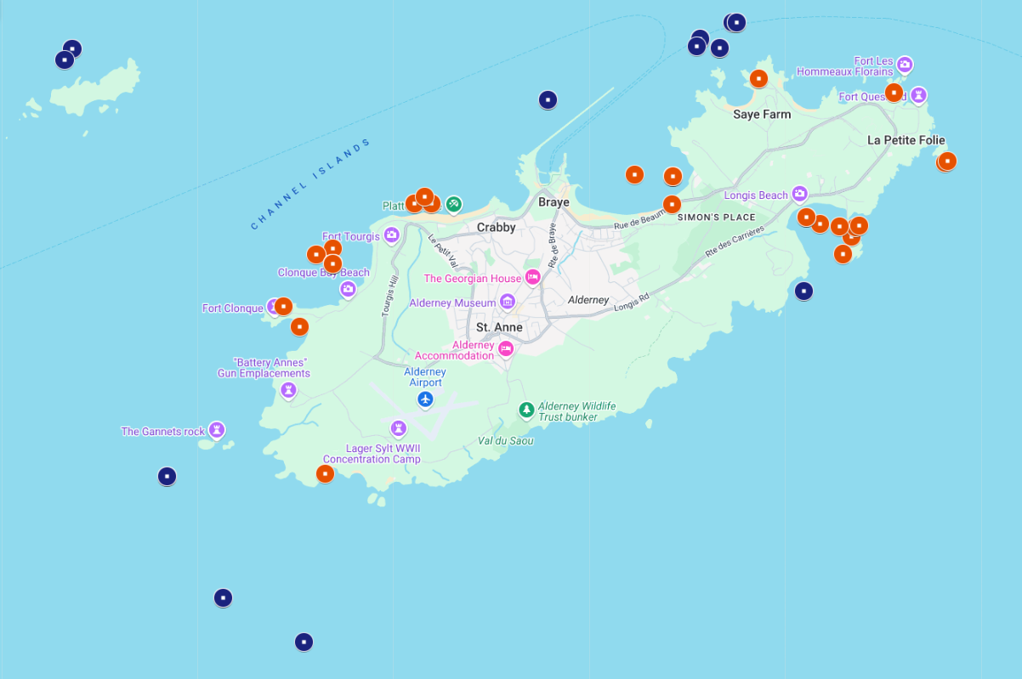
Alderney sites map. Intertidal sites (red) & subtidal (diving) sites (blue)

